Hiking Mileage Tracking Form
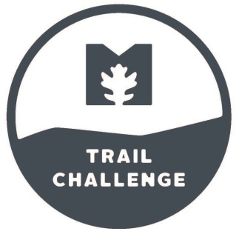
Metroparks Trail Challenge Tracking Form

Last Name | First Name

Phone #
E-mail
Address
City, State
Hiking Goal | 0
Cycling Goal | 0
Other Goal(s)
Please bring your Trail Challenge water bottle to the rentals or Metroparks program to receive your archery, tree climbing, or paddling stickers! All other stickers will be available at the Manor House front desk during regular business hours. Visit MetroparksToledo.com for a complete list of trails.
Date | Hiking Miles | Cycling Miles

Total Milage | 0 | 0

